BSC HONOURS STATISTICS
ADIKAVI NANAYYA UNIVERSITY :: RAJAMAHENDRAVARAM
FIRST YEAR STUDENT INFORMATION -BSC(Statistics) :: 2024-25
Name of the College: SKVT GOVERNMENT DEGREE COLLEGE, RAJAMAHENDRAVARAM (091)
S.No | Name of the Student (AS PER SSC CERTIFICATE) | Date of Birth | Admn. No | Admn Date | Sex | Caste Catetory | Father Name | Mother Name | Group/ Course | Identification Marks | Address /Mobile Number / Mail ID | Student Photo | Student Signature | Aadhar Number | Scholarship & Fellowship Applied | REMARKS
1 | 2 | 3 | 4 | 5 | 6 | 7 | 8 | 9 | 10 | 11 | 12 | 13 | 14 | 15 | 16 | 17
1 | PULUPORU DEEPTHI | 2006-06-06 | 00063 /2025 | 2025-09-19 | FEMALE | OC | PULUPORU SUBBARAO | PULUPORU DEVI | BSC HONOURS STATISTICS | 1) A MOLE ON THE LEFT FORE ARM 2) A MOLE ON THE RIGHT FORE ARM | 5-315 , VEMAGIRI(V) , KADIYAM (M) , EASTGODAVARI (V) PIN: 533125 PHNO: 8464941894 EMAILID : puluporudeepthi@gmail.com | 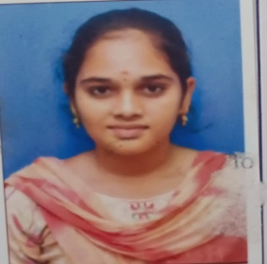 |  | 8112 3060 9060
2 | KAGITHALA DURGA SANTHOSHINI | 2006-08-24 | 00064 /2025 | 2025-09-19 | FEMALE | BC -D | KAGITHALA SRINIVASU | KAGITHALA MANI | BSC HONOURS STATISTICS | 1) A MOLE ON THE LOWER LIP 2) A MOLE ON THE DORSAL SIDE OF THE RIGHT PALM | 17-147 ,GOLLAPETA , DOWLAISWARAM(V) , KADIYAM (M) , EASTGODAVARI(D) PIN: 533125 PHNO:7997847445 EMAILID: kagithaladurgasanthoshini@gmail.com | 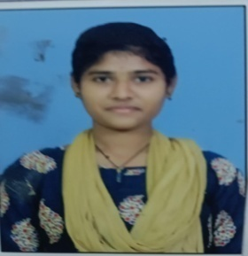 |  | 8761 8324 8546
3 | ROLLA ANANTHA LAKSHMI | 2008-03-09 | 00065 /2025 | 2025-09-19 | FEMALE | OC | ROLLA SURIBABU | ROLLA NAGAMANI | BSC HONOURS STATISTICS | 1) A MOLE ON THE RIGHT WRIST 2) A MOLE ON THE LEFT UPPER ARM | 7-111 , PALLAPU STREET , VEMAGIRI , KADIYAM , EASTGODAVARI PIN: 520007 PHNO: 8309679027 EMAILID: rollaananthalakshmi@gmail.com | 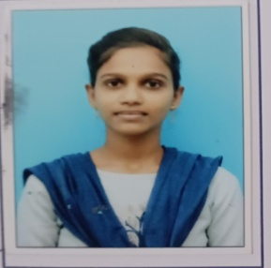 |  | 4917 0717 9376
4 | GOPISETTI LAKSHMI SRAVANI | 2006-12-03 | 00066 /2025 | 2025-09-19 | FEMALE | OC | GOPISETTI NAGESWARA RAO | GOPISETTI POSIRATNAM | BSC HONOURS STATISTICS | 1) A MOLE ON THE LEFT LOWER ARM 2) A MOLE ON THE LEFT COLLAR BONE | 5-49 , RAMALAYAM STREET , MADDURU(V) , MADDURU(M) , WESTGODAVARI(D) PNCODE : 534302 PHNO: 9491177441 EMAILID: nagaswaraonagaswarao18@gmail.com | 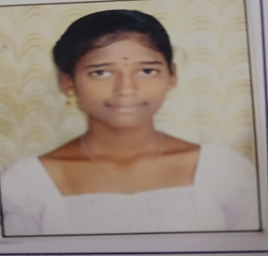 |  | 2187 2705 5526
5 | PANASA PRANEEETH SAI | 2006-04-11 | 00067 /2025 | 2025-09-22 | MALE | BC -D | PANASA SRINU | PANASA VENKATA LAKSHMI | BSC HONOURS STATISTICS | 1) A MOLE ON THE LEFT FORE ARM 2) A MOLE NEAR THE LEFT EYE | 1-208/2 , TOORUPU PETA , PEDANINDRAKALANU , NIDAMARRU , WESTGODAVARI PIN:534195 PHNO: 8919739149 EMAILID: praneethpanasa@gmail.com | 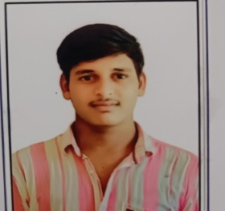 |  | 2891 0875 2409
6 | KOLLAPU BHARATH | 2003-09-05 | 00204 /2025 | 2025-10-15 | MALE | SC | KOLLAPU RAMAKRISHNA | KOLLAPU VIJAYA KUMARI | BSC HONOURS STATISTICS | 1) A MOLE ON THE RIGHT SIDE OF STOMACH 2) A M0LE ON THE LEFT COLLAR BONE | 2-87 , SC COLONY , VENKATA NAGARAM , RAJAHMAHENDRAVARAM RURAL , EAST GODAVARI , PIN: 533105 PHNO: 9347881776 EMAILID : kollapubharath5@gmail.com | 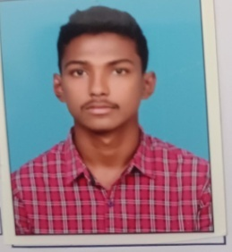 |  | 9947 3734 6843
7 | GODDATI JAGAN MOHAN | 2008-04-26 | 00233 /2025 | 2025-11-07 | MALE | BC-D | GODDATI RAGHAV A | GODDATI SRI LAKSHMI | BSC HONOURS STATISTICS | 1) A MOLE ON THE LEFT HAND LITTLE FINGER 2) A MOLE ON THE RIGHT SIDE OF THE CHEST | 3-02, DURGANAGARAMN , RAJA VOMMANGI, RAJA VOMMANGI , ASR (D) PIN: 533436 P-HNO: 6304606588 EMAILID : jaganmohan0553@gmail.com | 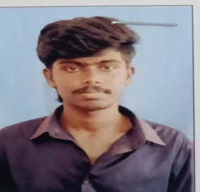 |  | 6440 9040 1253
8 | VECHAM MAHADEVA | 2008-03-19 | 00234 /2025 | 2025-11-07 | MALE | BC-D | VECHAM SATHIBABU | VECHAM SATYAVATHI | BSC HONOURS STATISTICS | 1) A MOLE ON THE RIGHT HAND FORE ARM 2) A MOLE ON THE RIGHT SIDE OF THE CHEST | 2-127, GANDHIBOMMA CENTER , RAJAVOMMANGI , RAJAVOMMANGI , ASR (D) pin: 533436 PHNO: 7569621053 EMAILID : mahadevab2008@gmail.com | 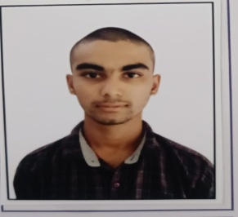 |  | 3160 8057 4877
9 | NARALASETTI AKHILA VENKATA SURYA | 2008-05-17 | 00235 /2025 | 2025-11-07 | FEMALE | OC | NARALASETTI DURGA PRASAD | NARALASETTI VARA LAKSHMI | BSC HONOURS STATISTICS | 1) A MOLE ON THE RIGHT TEMPLE 2) A MOLE ON THE THROAT | 46-6-4 , KOTHAPETA , RAJAHMUNDRY , RAJAHMAHENDRAVARAM , EAST GODAVARI , PIN:533101 PHNO: 9515530944 EMAILID : akhila70496@gmail.com | 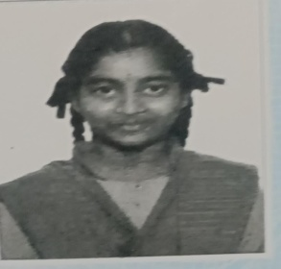 |  | 4162 7099 7729
10 | PEDAKAPU KUMAR | 2006-07-21 | 00324 /2025 | 2025-11-27 | MALE | BC-A | PEDAKAPU JAGADEESH | PEDAKAPU LAKSHMI | BSC HONOURS STATISTICS | 1) A MOLE ON THE LEFT CHEECK 2) A MOLE ON THE LEFT SHOULDER | 5-12-7/2 KOVVURU , KOVVURU , WEST GODAVARI PIN : 534350 PHNO: 8919695212 EMAILID : kumar0711eui@gmail.com | 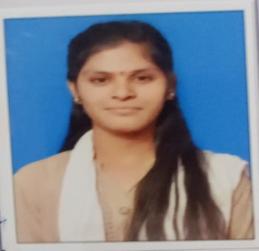 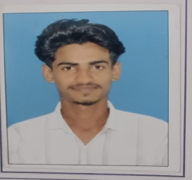 |  | 6990 6522 2150
11 | GOVINDU SOBHARANI | 2008-10-19 | 00325 / 2025 | 2025-11-27 | FEMALE | ST | GOVINDU PENTAYYA | GOVINDU LAKSHMI | BSC HONOURS STATISTICS | 1) A MOLE ON THE LEFT SIDE OF THE NECK 2) A MOLE ON THE NOSE | 1-79 , MAIN ROAD , MAREDUPAKA , RAJAVOMMANGI , ROJAVOMMANGI , ASR (D) PIN: 533429 PHNO: 8091580701 EMAILID: sobharani478@gmail.com | 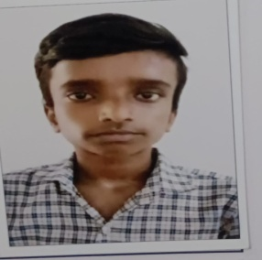 |  | 8604 9465 8540
12 | GUDDANTI ANJANEYA NAGA DURGA ABHICHARAN | 2008-06-10 | 00326 /2025 | 2025-11-24 | MALE | BC-B | GUDDANTI SRINIVAS | GUDDANTI PURNA LAKSHMI DURGA | BSC HONOURS STATISTICS | 1) A MOLE ON THE LEFT OF THE MOUTH 2) A MOLE ON THE LEFT EAR | 7-6-9 , GAYATRINAGAR , MORAMPUDI , RAJAHMAHENDRAVARAM , EASTGODAVARI , PIN:533101 PHNO : 6302163114 EMAIL I : ag9697358@gmail.com | 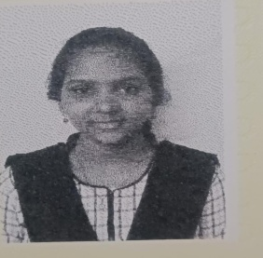 |  | 5632 1875 4159
13 | VADDADI LUDHIYA | 2006-07-09 | 00327 /2025 | 2025-11-24 | FEMALE | SC | VADDADI GOPI | VADDADI VIJAYALAKSHMI | BSC HONOURS STATISTICS | 1) A MOLE ON THE FOREHEAD 2) A MOLE ON THE LEFT ELBOW | 45-12-57 , VEERABADRANAGAR , RAJAHMAHENDRAVARAM , RAJAHMUNDRY URBAN , EASTGODAVARI PIN:533101 PHNO : 8328208526 EMAILID: ludhiyaludhiya09@gmail.com |  |  | 2934 2346 7828
14 | PONDURU SANDHYA | 2006-05-02 | 00328 /2025 | 2025-11-09 | FEMALE | BC -D | PONDURU TEJA | PONDURU SUJATHA | BSC HONOURS STATISTICS | 1) A MOLE ON THE RIGHT FORE ARM 2) A MOLE ON THE CHIN | NAMAVARAM D-BLOCK , RAJAHMUNDRY , EASTGODAVARI PHNO : 9381425330 EMAILID : ophunter143143@GMAIL.COM | 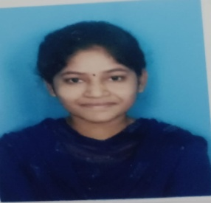 |  | 9134 0961 3992

